Service Data
P -Chart
Day | Date | Sample Number (i) | Sample Size (ni) | No.of defective units (xi) | Pi | Mean | UCL | LCL
Friday | 1-Nov-24 | 1 | 100 | 12 | 0.120 | 0.0915 | 0.178 | 0.005
Monday | 4-Nov-24 | 2 | 80 | 8 | 0.100 | 0.0915 | 0.188 | -0.005
Tuesday | 5-Nov-24 | 3 | 80 | 6 | 0.075 | 0.0915 | 0.188 | -0.005
Wednesday | 6-Nov-24 | 4 | 100 | 9 | 0.090 | 0.0915 | 0.178 | 0.005
Thursday | 7-Nov-24 | 5 | 110 | 10 | 0.091 | 0.0915 | 0.174 | 0.009
Friday | 8-Nov-24 | 6 | 110 | 11 | 0.100 | 0.0915 | 0.174 | 0.009
Monday | 11-Nov-24 | 7 | 100 | 16 | 0.160 | 0.0915 | 0.178 | 0.005
Tuesday | 12-Nov-24 | 8 | 93 | 12 | 0.129 | 0.0915 | 0.181 | 0.002
Wednesday | 13-Nov-24 | 9 | 97 | 6 | 0.062 | 0.0915 | 0.179 | 0.004
Thursday | 14-Nov-24 | 10 | 102 | 20 | 0.196 | 0.0915 | 0.177 | 0.006
Friday | 15-Nov-24 | 11 | 115 | 15 | 0.130 | 0.0915 | 0.172 | 0.011
Monday | 18-Nov-24 | 12 | 96 | 9 | 0.094 | 0.0915 | 0.180 | 0.003
Tuesday | 19-Nov-24 | 13 | 100 | 8 | 0.080 | 0.0915 | 0.178 | 0.005
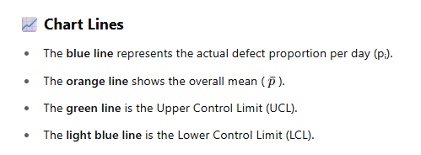
Wednesday | 20-Nov-24 | 14 | 120 | 6 | 0.050 | 0.0915 | 0.170 | 0.013
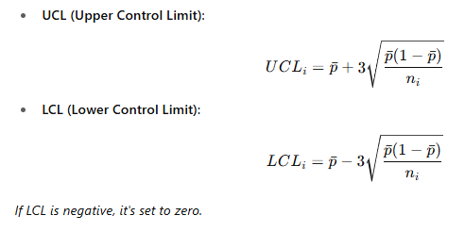
Thursday | 21-Nov-24 | 15 | 113 | 8 | 0.071 | 0.0915 | 0.173 | 0.010
Friday | 22-Nov-24 | 16 | 102 | 10 | 0.098 | 0.0915 | 0.177 | 0.006
Monday | 25-Nov-24 | 17 | 99 | 7 | 0.071 | 0.0915 | 0.178 | 0.005
Tuesday | 26-Nov-24 | 18 | 111 | 5 | 0.045 | 0.0915 | 0.174 | 0.009
Wednesday | 27-Nov-24 | 19 | 100 | 6 | 0.060 | 0.0915 | 0.178 | 0.005
Thursday | 28-Nov-24 | 20 | 100 | 9 | 0.090 | 0.0915 | 0.178 | 0.005
Friday | 29-Nov-24 | 21 | 92 | 8 | 0.087 | 0.0915 | 0.182 | 0.001
Monday | 2-Dec-24 | 22 | 95 | 7 | 0.074 | 0.0915 | 0.180 | 0.003
Tuesday | 3-Dec-24 | 23 | 89 | 6 | 0.067 | 0.0915 | 0.183 | 0.000
Wednesday | 4-Dec-24 | 24 | 100 | 6 | 0.060 | 0.0915 | 0.178 | 0.005
Thursday | 5-Dec-24 | 25 | 100 | 9 | 0.090 | 0.0915 | 0.178 | 0.005
 |  | Total | 2504 | 229
 |  |  | P-Bar | 0.091453674121

